Budget

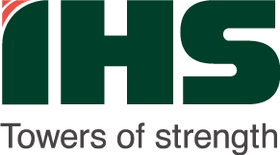
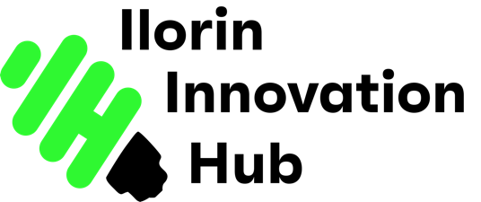

BUDGET TEMPLATE: OPERATIONS BUDGET TO ESTABLISH AND RUN THE ILORIN INNOVATION HUB, KWARA STATE

MANDATORY BUDGET ITEMS: Funding Sources, Costs for H2 2024 and Full Year 2025, Financial Sustainability

Name of Proposed Project: | ILORIN INNOVATION HUB
Consortium Organization Names : | KWARA STATE GOVERNMENT, IHS TOWERS LTD
County/Country | Ilorin, Kwara State, Nigeria
Currency | Naira (NGN)

PROJECT OUTPUTS/BUDGET ITEMS |  | COMMENTS/FURTHER DETAILS |  | HALF-YEAR | Total Amount | FUNDING SOURCE/S

Budget Category/Output | Budget Line Details |  | Monthly | HY | FY

Skills & Training Programs | Staff Professional Development (Afrilabs Capacity Building etc) |  | 333,333 | 2,000,000 | 4,000,000 | IHS | x
 | Subtotal |  |  |  | 4,000,000
Events & Ecosystem Engagement |  |  |  |  |  | IHS
 | Monthly Meetups |  | 250,000 | 1,500,000 | 3,000,000 | IHS
 | Field Events |  | 208,333 | 1,250,000 | 2,500,000 | IHS
 | Webinars |  | 125,000 | 750,000 | 1,500,000 | IHS
 | Subtotal |  |  |  | 7,000,000
Travel & Conferences | International Conference Registration |  | 250,000 | 1,500,000 | 3,000,000 | IHS
 | International Travel & Accomodation |  | 666,667 | 4,000,000 | 8,000,000 | IHS
 | Local Conference Registration |  | 250,000 | 1,500,000 | 3,000,000 | IHS
 | Local Conference Exhibition |  | 666,667 | 4,000,000 | 8,000,000 | IHS
 | Local Travel |  | 291,667 | 1,750,000 | 3,500,000 | IHS
 | Subtotal |  |  |  | 25,500,000
Salaries & Staff Benefits | Salaries |  | 8,333,333 | 50,000,000 | 100,000,000 | IHS
 | Subtotal |  |  |  | 100,000,000
Cloud & Software Applications | Cloud Servers |  | 416,667 | 2,500,000 | 5,000,000 | IHS
 | Staff Email |  | 291,667 | 1,750,000 | 3,500,000 | IHS
 | Miscellaneous Software Subscriptions & Licenses |  | 166,667 | 1,000,000 | 2,000,000 | IHS
 | Access Control & Hub Management Software |  | 541,667 | 3,250,000 | 6,500,000
 | Subtotal |  |  |  | 17,000,000
Utilities & Maintenance | Electricity |  | 800,000 | 4,800,000 | 9,600,000 | IHS
 | Diesel |  | 1,250,000 | 7,500,000 | 15,000,000 | IHS
 | Cleaning & Landscaping |  | 1,083,333 | 6,500,000 | 13,000,000 | IHS
 | Facility Maintenance & Repairs |  | 833,333 | 5,000,000 | 10,000,000 | IHS
 | Security |  | 833,333 | 5,000,000 | 10,000,000 | IHS
 | HVAC, Solar, Elevator, Access Control & LED Screen Maintenance |  | 1,666,667 | 10,000,000 | 20,000,000 | IHS
 | Subtotal |  |  |  | 77,600,000
Corporate Comms & PR | Souvenirs | Notepad, pen, bottle, mug, power bank | 833,333 | 5,000,000 | 10,000,000 | IHS
 | Guest Entertainment |  | 250,000 | 1,500,000 | 3,000,000 | IHS
 | Banners |  | 125,000 | 750,000 | 1,500,000 | IHS
 | Staff T-Shirts |  | 25,000 | 150,000 | 300,000 | IHS
 | Online & Social Media Marketing |  | 166,667 | 1,000,000 | 2,000,000
 | Subtotal |  |  |  | 16,800,000
Office Supplies | Refreshments |  | 100,000 | 600,000 | 1,200,000 | IHS
 | Stationery |  | 75,000 | 450,000 | 900,000 | IHS
 | Subtotal |  |  |  | 2,100,000
Miscellaneous | Insurance & Risk Management |  | 1,666,667 | 10,000,000 | 20,000,000 | IHS
 | Legal and Accounting Services/Fees |  | 833,333 | 5,000,000 | 10,000,000 | IHS
 | Society/Association Memberships & Renewals | Afrilabs, ISN etc | 166,667 | 1,000,000 | 2,000,000 | IHS
 | Subtotal |  |  |  | 32,000,000
 | TOTAL |  | 23,500,000 | 141,000,000 | 282,000,000

 |  | Skills & Training Programs |  |  | 4,000,000
 |  | Events & Ecosystem Engagement |  |  | 7,000,000
 |  | Travel & Conferences |  |  | 25,500,000
 |  | Salaries & Staff Benefits |  |  | 100,000,000
 |  | Cloud & Software Applications |  |  | 17,000,000
 |  | Utilities & Maintenance |  |  | 77,600,000
 |  | Corporate Affairs & PR |  |  | 16,800,000
 |  | Office Supplies |  |  | 2,100,000
 |  | Miscellaneous |  |  | 32,000,000

 |  | Full Year Budget |  |  | NGN 282,000,000
 |  | Half-Year Budget |  |  | NGN 141,000,000
 |  | Quarter Budget |  |  | NGN 70,500,000
 |  | Monthly Budget |  |  | NGN 23,500,000
 |  | (Averages)

